Sheet1
Scene No. | 1
Quest Title | 初试身手
Quest Log | 回复马凯
Map No. | 22
 | 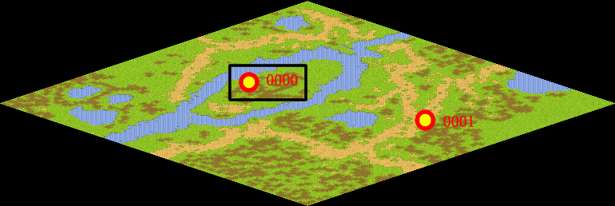
NPC No.
Condition
Dialog
Select
Result

ScriptFile | Qlog-0203-001.scr

